Sheet1
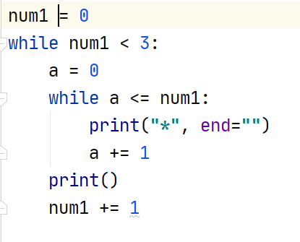
num1 = 0
while num1 < 3
a = 0
while a <= num1 | num1的值是0
print("*", end="")
a += 1 | a的值是1
while a <= num1 | a的值是1 | num1的值是0
print()
num1 += 1 | num1的值是1
while num1 < 3
a = 0
while a <= num1 | a是0 | num1的值是1
print("*", end="")
a += 1 | a是1
while a <= num1 | a是1 | num1是1
print("*", end="")
a += 1 | a是2
while a <= num1 | a是2 | num1是1
print()
num1 += 1 | num1的值是2

while num1 < 3
a = 0 | a是0
while a <= num1 | a是0 | num1是2
print("*", end="")
a += 1
while a <= num1 | a是1 | num1是2
print("*", end="")
a += 1 | a是2
while a <= num1 | a是2 | num1是2
print("*", end="")
a += 1 | a是3
while a <= num1 | a是3 | num1是2
print()
num1 += 1 | num1是3
while num1 < 3

